Print Page 1
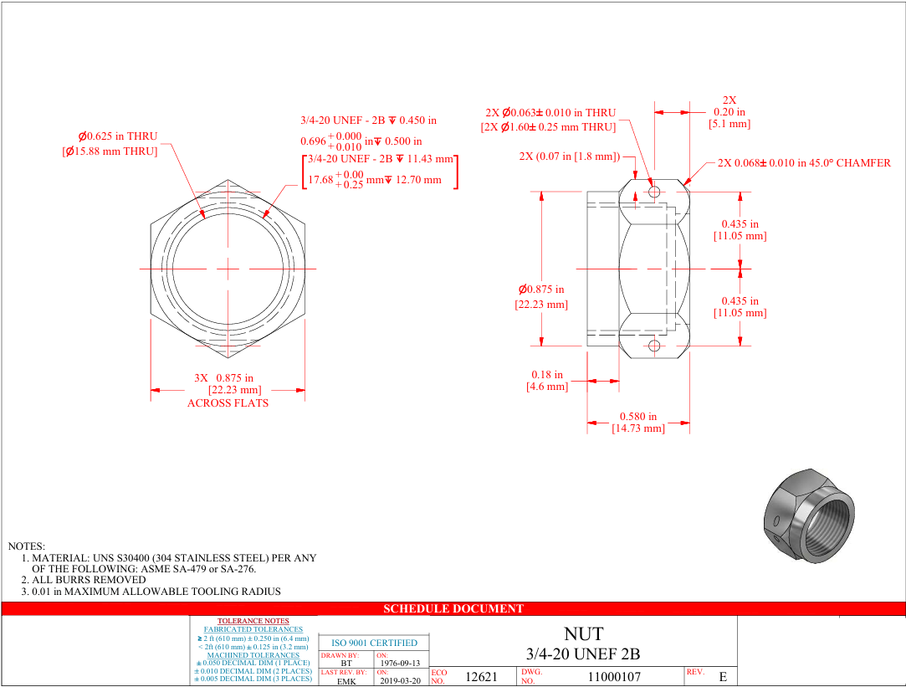

9
8
3a
3b
2

7

10a
10b

6b

1
6a

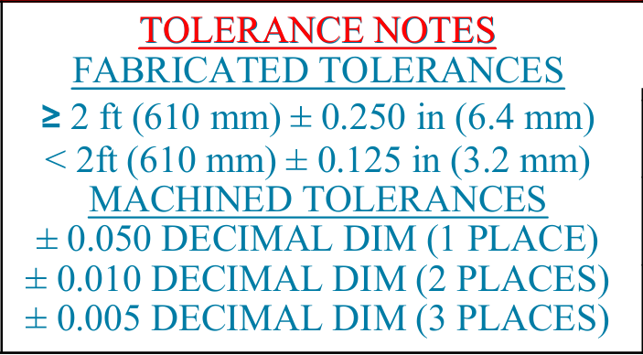

5
1

4

